SEFA Guidance
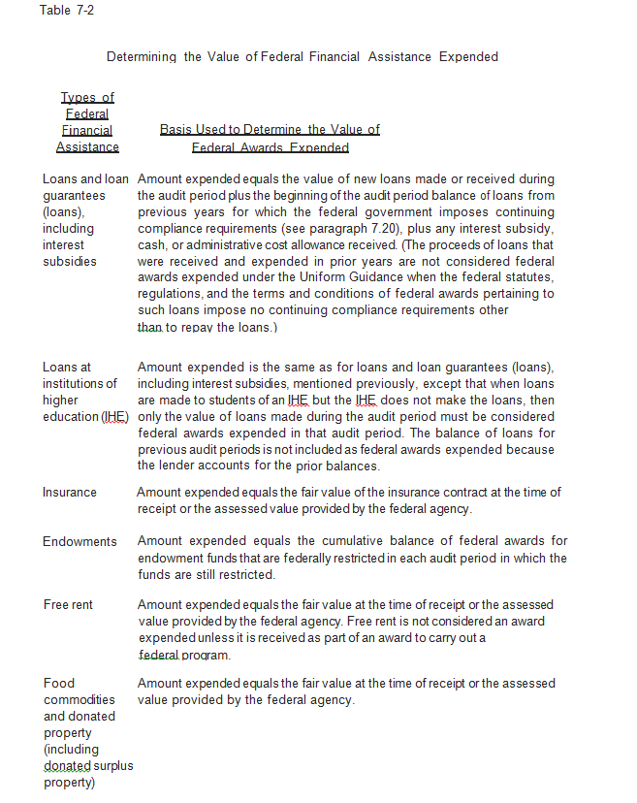
Per AICPA Single Audit Guide: * Table 7-1 Basis for Determining when Federal Awards are Expended * Table 7-2 Determining the Value of Noncash Awards Expended
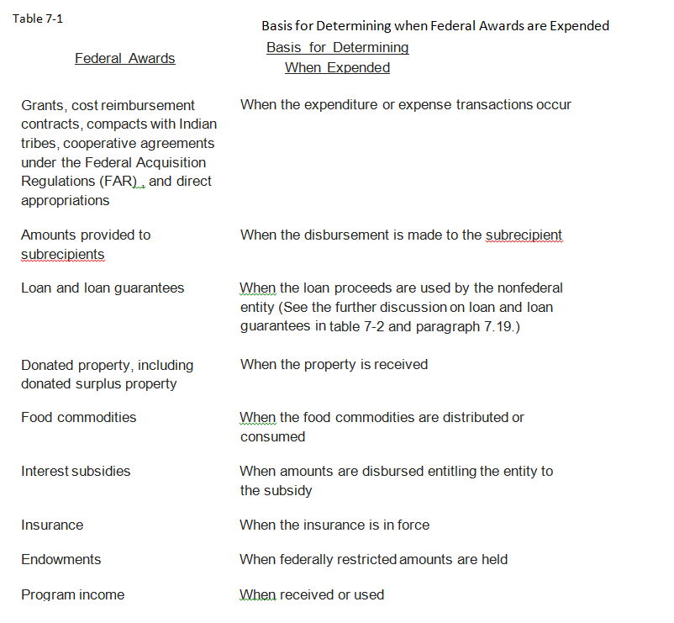

7.19 The Uniform Guidance provides specific guidance regarding how to determine the value of certain types of federal financial assistance.
Table 7-2 summarizes the bases for valuing federal awards expended. (See 2 CFR 200.502 for additional details.)

